Introduction
Center for Digital Transformation
TUM School of Management
Technical University of Munich
Order Up-to Inventory Model
Service level (SL) is the probability of meeting all demands.
$$Service Level, SL=\frac{Price−cost}{Price −Salvage value}= \frac{Underage cost}{Overage cost+Underage cost}$$
Inventory level: Inventory that is currently available.
𝐼𝑛𝑣𝑒𝑛𝑡𝑜𝑟𝑦 𝑙𝑒𝑣𝑒𝑙 = 𝑂𝑛-ℎ𝑎𝑛𝑑 𝑖𝑛𝑣𝑒𝑛𝑡𝑜𝑟𝑦 − 𝐵𝑎𝑐𝑘 𝑜𝑟𝑑𝑒𝑟

Inventory position: The amount of inventory expected when the current orders are received.
Inventory position = On-order position+ On-hand inventory − Back order

Each period's order quantity
Each period's Order Quantity = Order up-to level(S) − Inventory position

Expected backorder: The total amount of demand that has not been satisfied.
B(S) = σ x Expected Lost Sales

Expected left-over inventory
I(S) = S − Expected demand+B(S)

Task 1
Center for Digital Transformation
TUM School of Management
Technical University of Munich
1 | Speed Print Inc. uses plain paper for copying needs. Demand for this paper is highly variable. Weekly demand for the plain paper is estimated to be normally distributed with a mean of 100 and standard deviation of 65 (measured in boxes). Each week, a replenishment order is placed to paper factory and order arrives five weeks later. All copying orders that cannot be immediately satisfied due to lack of paper are backordered. a. Suppose that Speed Print decides to establish an order-up-to level of 700 for plain paper. At the start of the week, there are 523 boxes in Inventory and 180 boxes on order. How many boxes does Speed Print orders this week? b. What is Speed Print’s optimal order-up-to level for the plain paper if Speed Print operates with a 99 percent in-stock probability?

 | a. | Order-up-to level | S
 |  | On-hand inventory
 |  | On-order inventory
 |  | Back order
 |  | Inventory position
 |  | Order quantity
 | b. | In-stock probability
 |  | Service level | SL
 |  | Weekly Mean Demand | μweekly
 |  | Weekly Standard Deivation | σweekly
 |  | Lead time (weeks) | l
 |  | Weeks to consider for ordering
 |  | Mean demand for ordering period | μperiod
 |  | Standard Deviation for ordering period | σperiod
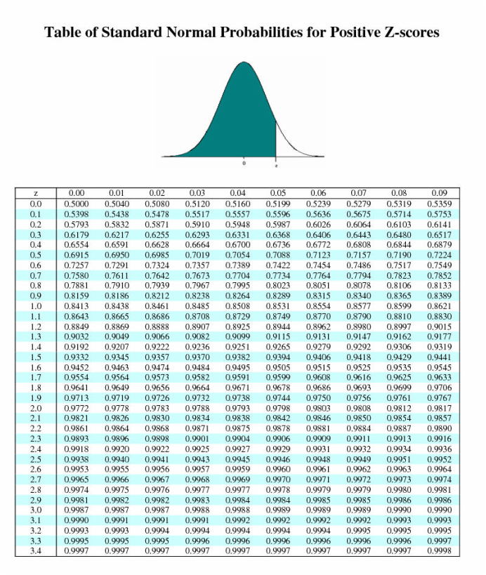

 |  | z-score | z
 |  | Optimal order-up-to level

Task 2
Center for Digital Transformation
TUM School of Management
Technical University of Munich
2 | The demand for the printer follows a Poisson distribution with an expected value of 25 printers per week. The company faces a backorder costs of 50€ per printer per week if the order cannot be fulfilled. On the other hand, it costs the company 20€ per printer per week as holding costs for having the printer in its warehouse. It takes 3 weeks to get the ordered printers. a. What is the optimal service level that the company should maintain? b. What is the optimal order-up-to level?

Demand Distribution
 | 1
 | a. | Backorder Cost | CB
 |  | Holding Cost | CH
 |  | Optimal Service Level | SL
 | b. | Weekly Mean Demand | λ
 |  | Lead time (weeks) | l
 |  | Weeks to consider for ordering
 |  | Mean demand for ordering period | λperiod
 |  | (Approximation to normal distribution ↓)
 |  | Mean demand for ordering period | μperiod
 |  | Standard Deviation for ordering period | σperiod

 |  | z-score | z
 |  | Optimal order-up-to level | S*

Task 3
Center for Digital Transformation
TUM School of Management
Technical University of Munich
3 | The laptop has a demand follows a Normal distribution with an expected value of 240 laptops per week and a standard deviation of 90. The laptop has an overage costs of 50€ per unit and an underage costs of 39.98€. The lead-time of getting the laptop is 2 weeks. a. What is the optimal service level? b. What is the corresponding optimal order-up-to level? c. If you choose this order-up-to level, what service level do you actually realize? d. If the expected lost sales value is 0.1785, what is the expected number of backorders? What are the expected number of left-over inventory?

 | a. | Underage Cost | CU
 |  | Overage Cost | CO
 |  | Optimal Service Level | SL
 | b. | Weekly Mean Demand | μweekly
 |  | Weekly Standard Deivation | σweekly
 |  | Lead time (weeks) | l
 |  | Weeks to consider for ordering
 |  | Mean demand for ordering period | μperiod
 |  | Standard Deviation for ordering period | σperiod
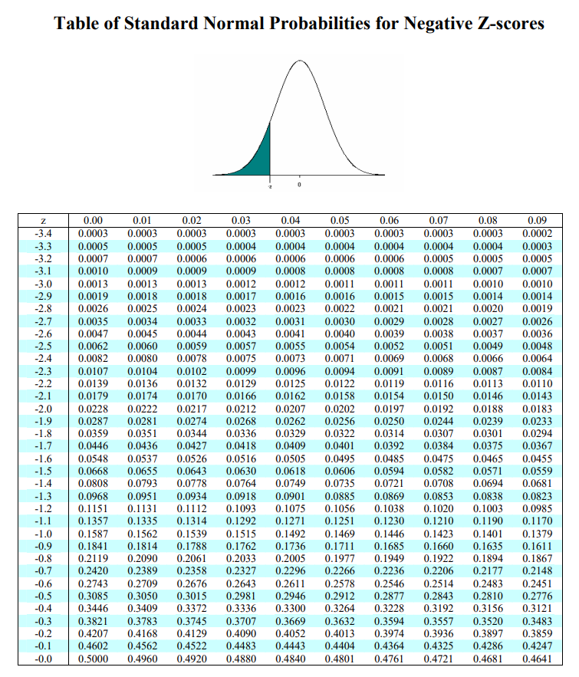

 |  | z-score | z
 |  | Order-up-to level | S
 | c. | Actual z-score | zrealized
 |  | Realized Service Level | SLrealized
 | d. | Expected loss sales | LZ
 |  | Expected backorder | B(S)
 |  | Expected left-over inventory | I(S)

